conformal_predictions_MAPIE_plo
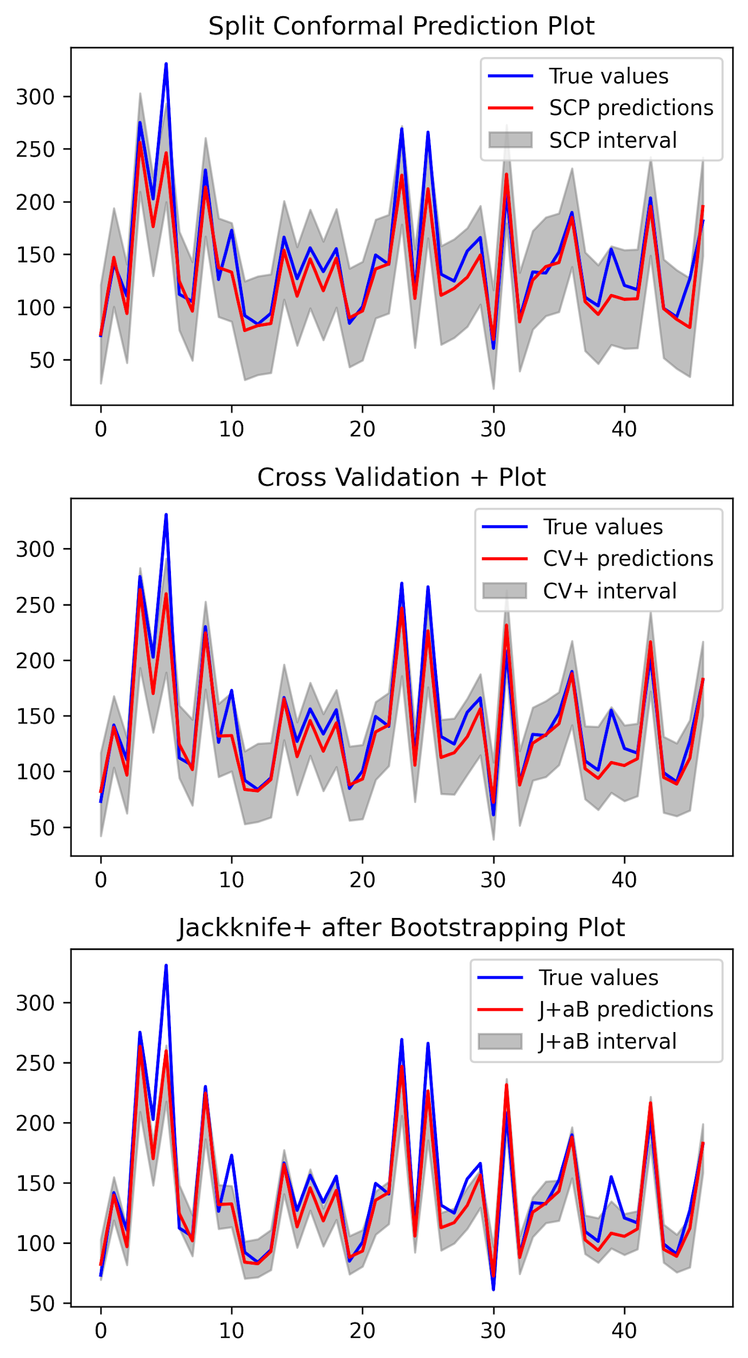

conformal_predictions_PUNCC
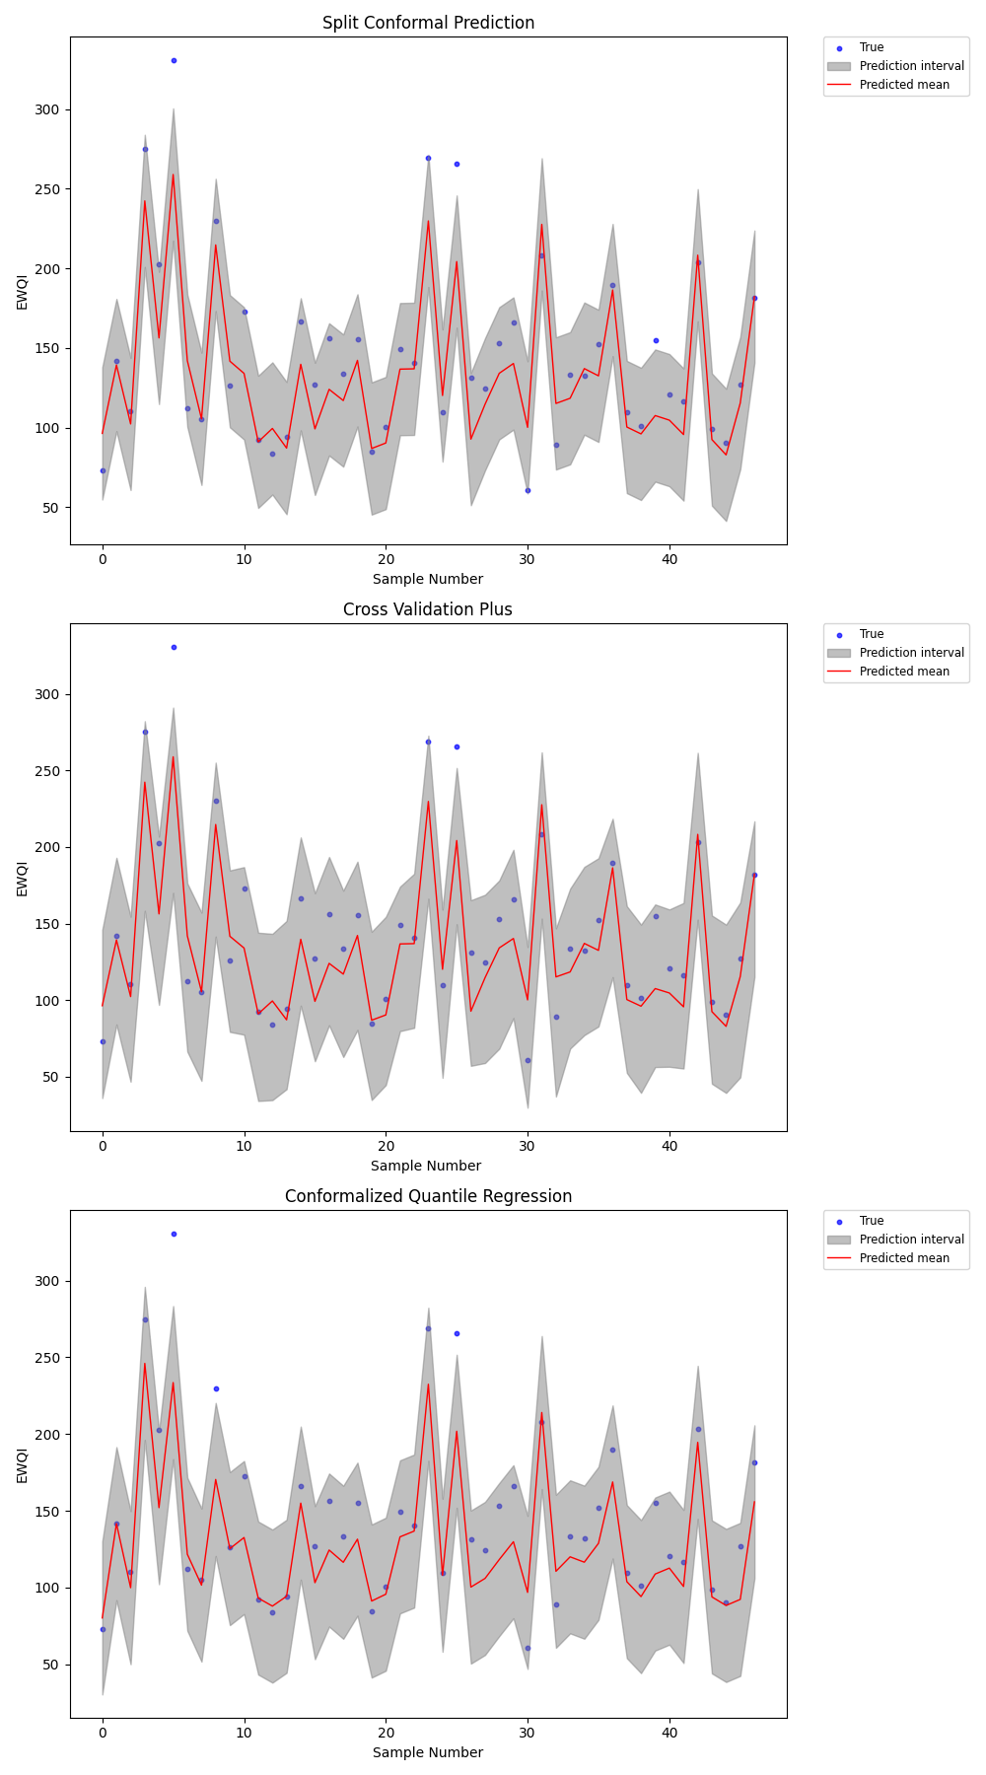

prediction_MAPIE_analysis_2
